Title
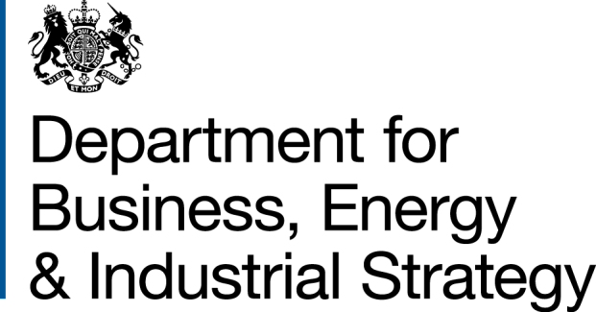
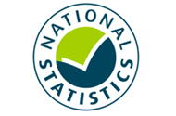

 | Household Energy Efficiency
 | Statistics

Please direct all press enquiries to Press Officer 020 7215 5975

Responsible Statistician
Helene Clark
EnergyEfficiency.Stats@beis.gov.uk
020 7215 1259

This workbook was updated on 17 June 2021

Charts
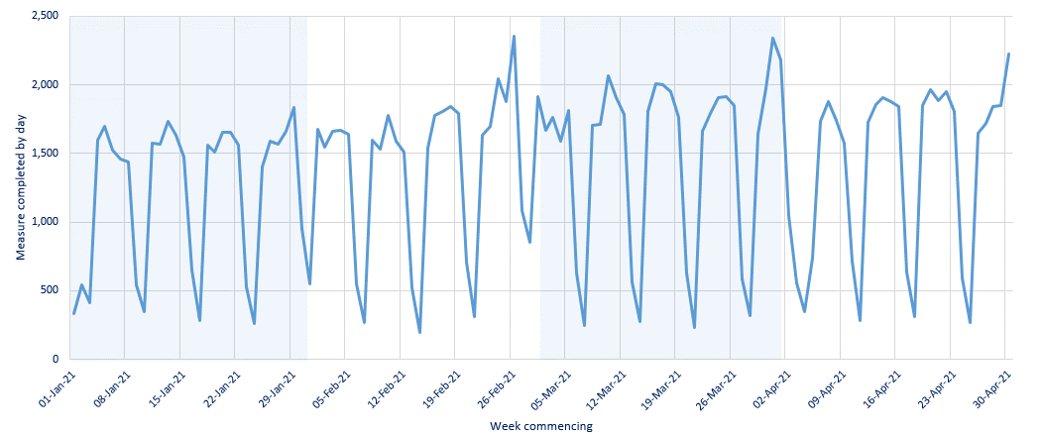
Chart 1: ECO measures installed, by obligation, by month, up to end April 2021 | Chart 2a: Share of all ECO measures installed, by measure type, by ECO phase, up to end April 2021
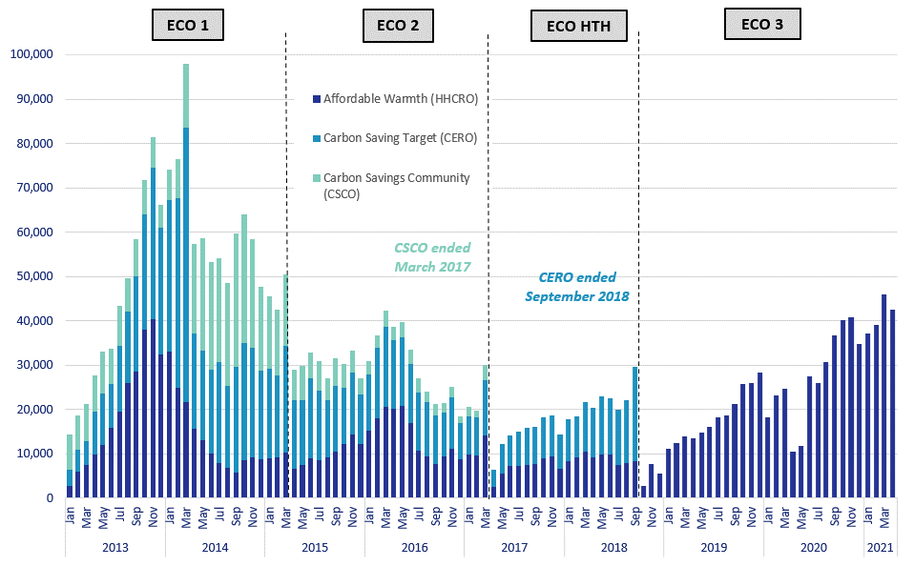
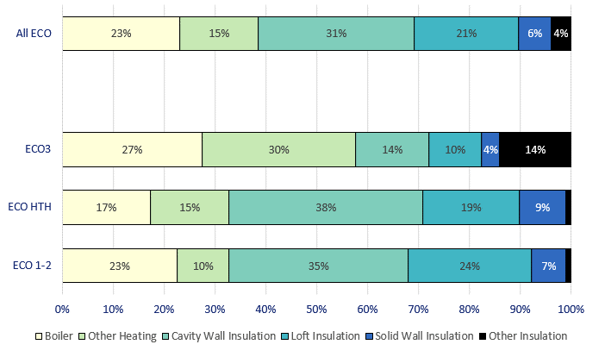

Chart 3: ECO measures by main fuel type of property, by quarter, up to end March 2021 | Chart 2b: Share of all Affordable Warmth measures, by measure type, by ECO phase, up to end April 2021

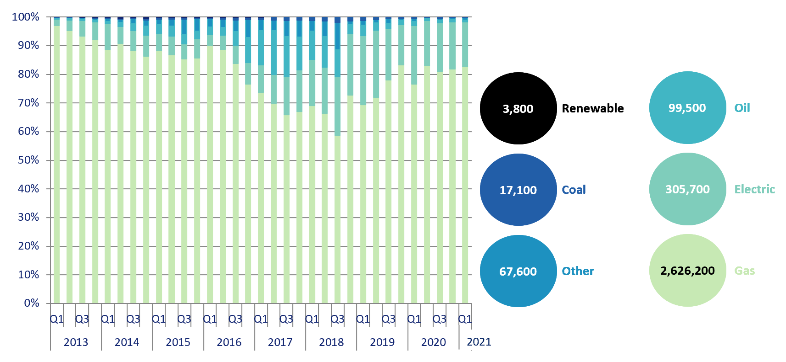
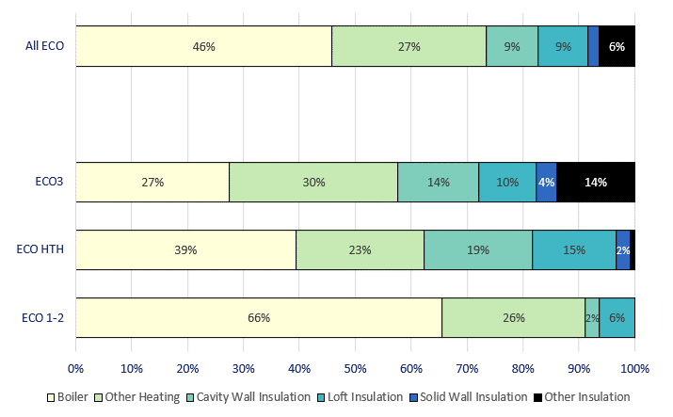

Chart 4: Estimated lifetime bill savings for Affordable Warmth measures, by installation quarter, up to end March 2021 | Chart 5: Number of Flexible Eligibility Measures by installation month and share of Affordable Warmth obligation delivered through flex, up to end April 2021

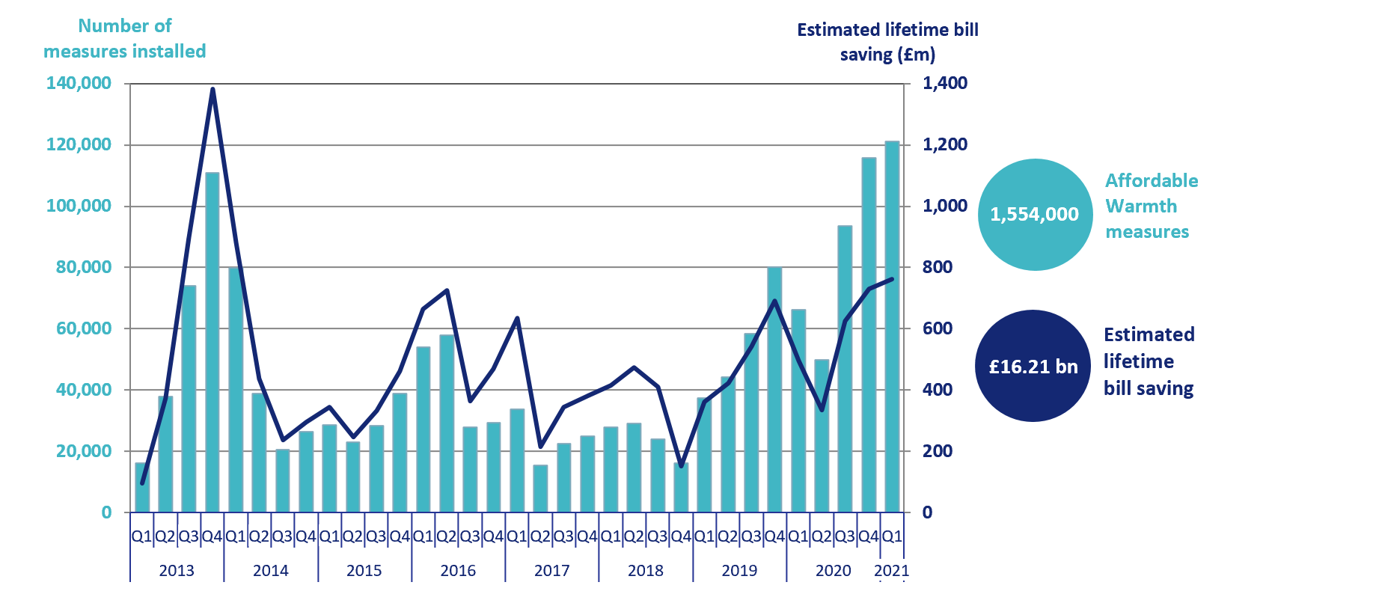
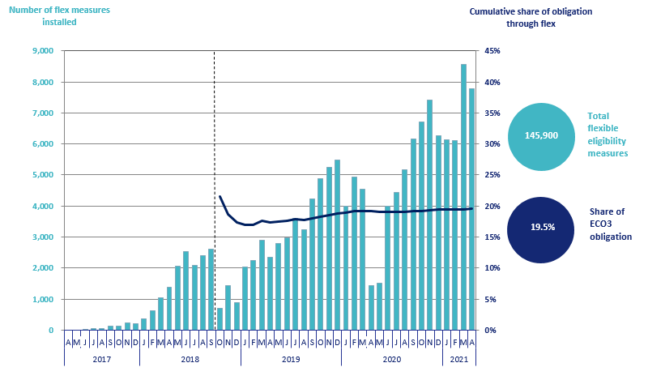

Chart 6: ECO3 costs, by cost type, by quarter, up to end March 2021 | Chart 7: Green Deal Plans, by ‘Live’ or ‘Completed’ status, by quarter, up to end March 2021
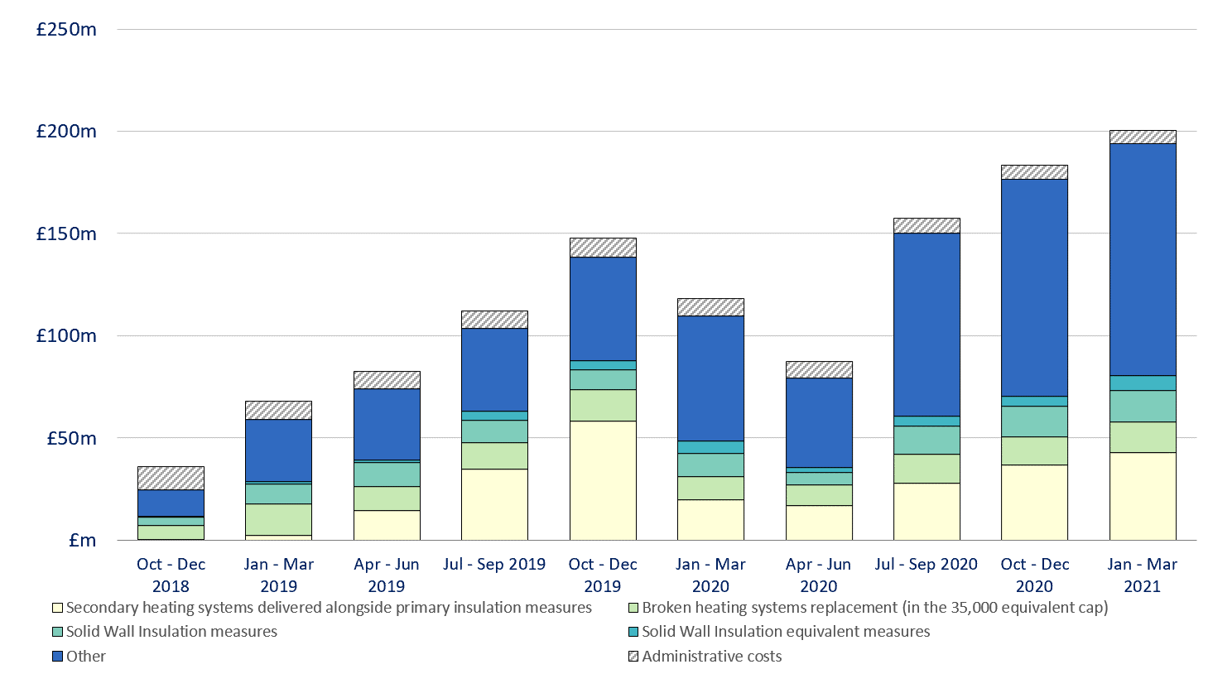
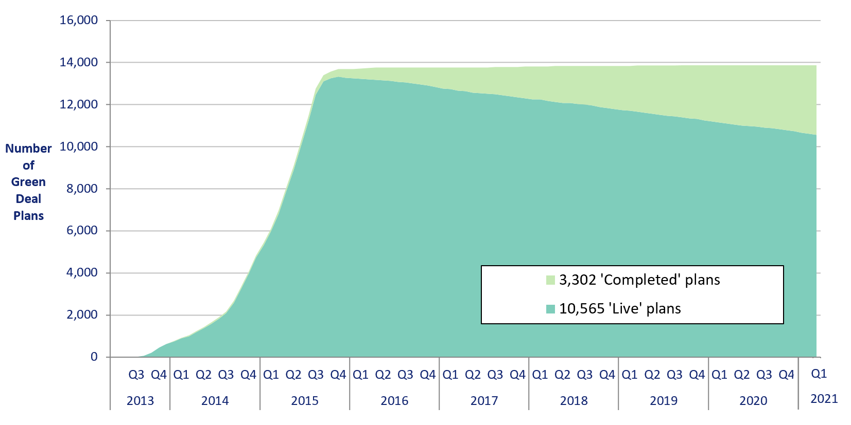

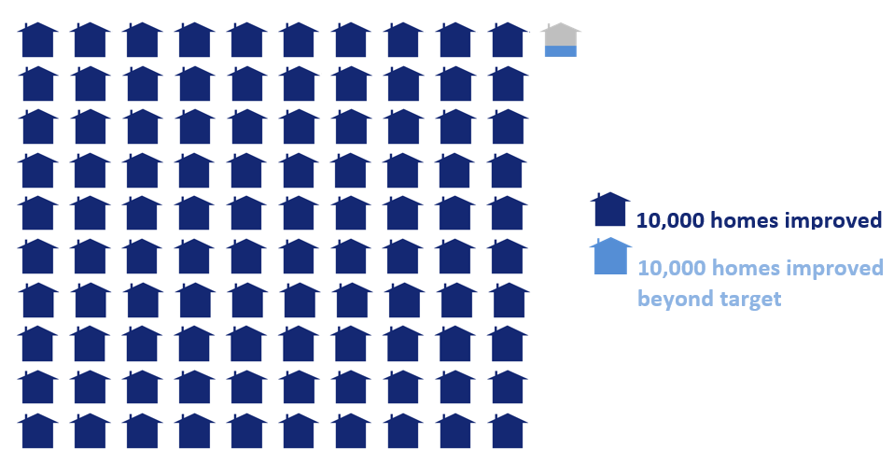
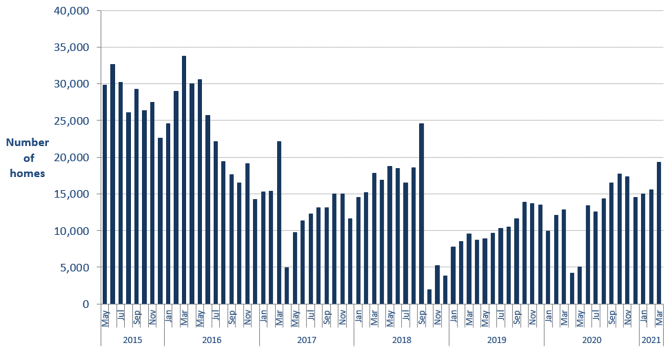
Infographic 1: Proportion of the 1 million homes target achieved, up to end April 2020 | Chart 8: Homes that have had an improvement measure, up to end March 2021

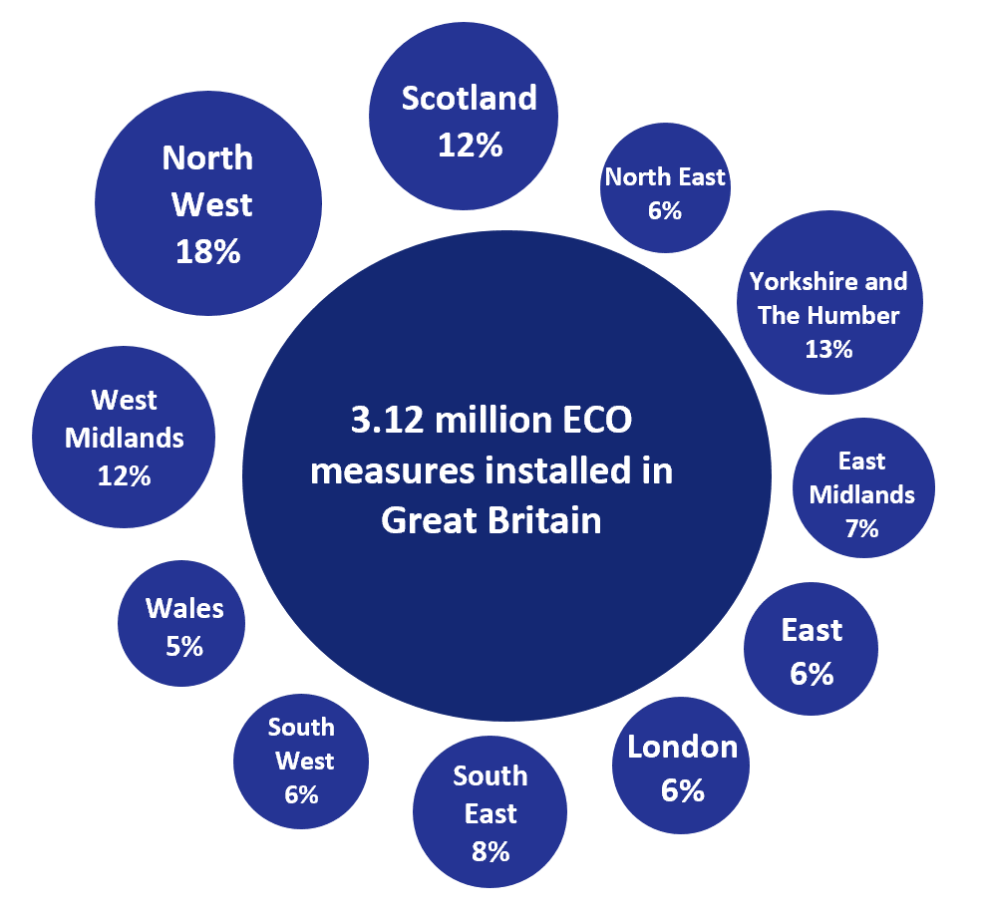
Infographic 2: ECO measures by measure type, up to end April 2021 | Infographic 3: ECO measures by region, up to end March 2021
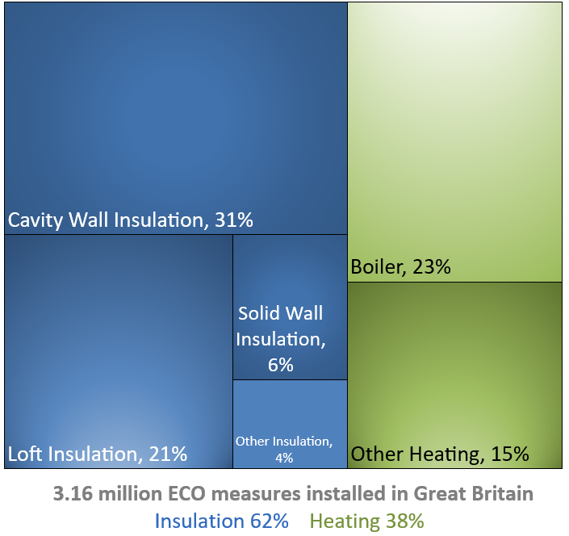

Chart 9: ECO measures installed by day from 1st January 2021 to 30th April 2021

Map1
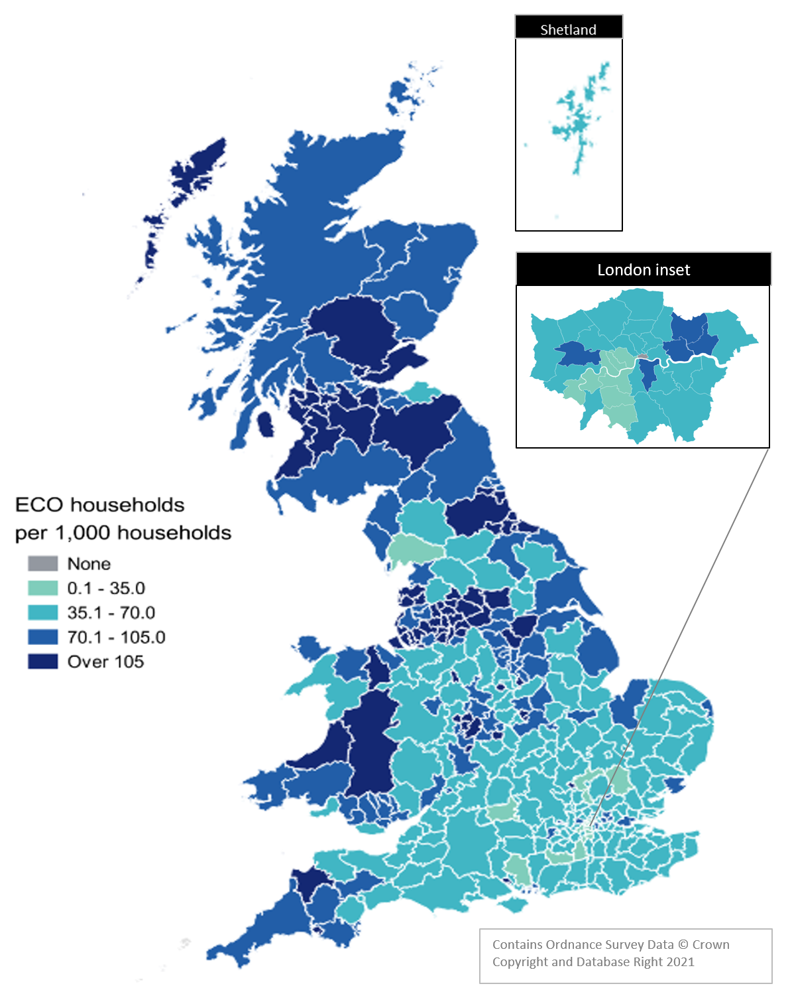
Map 1 – Households in receipt of ECO measures by Local Authority per 1,000 households, up to end March 2021

Map2
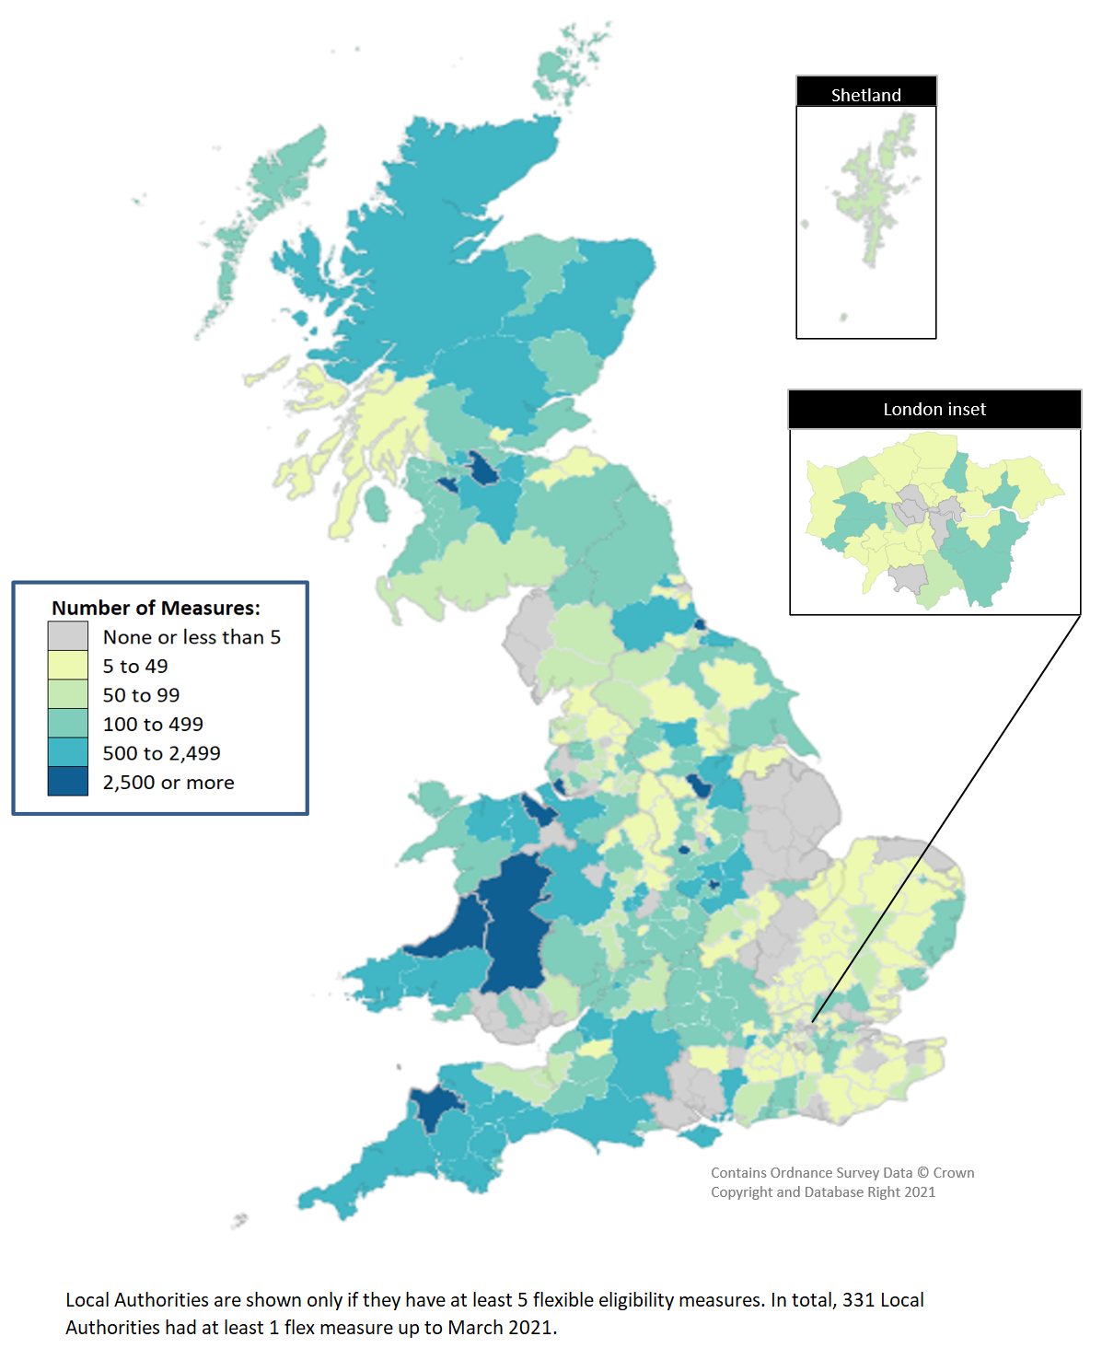
Map 2 - ECO measures installed through Flexible Eligibility, by Local Authority (April 2017 - March 2021)

